Sheet1
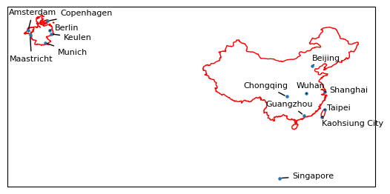
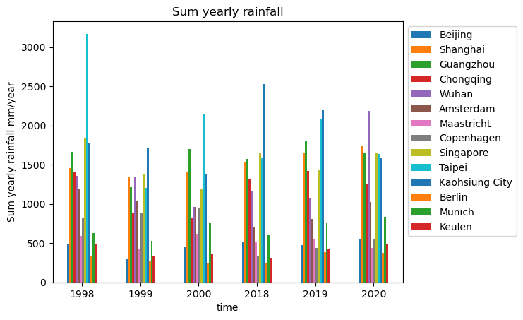
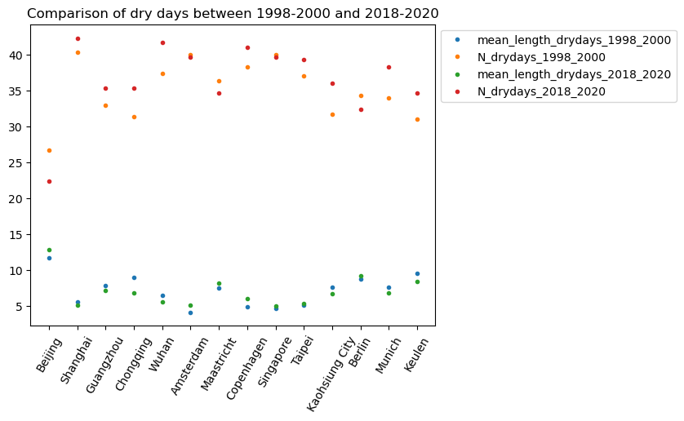
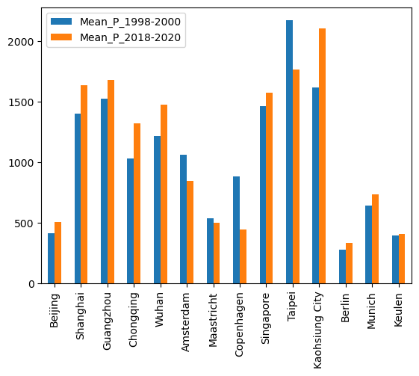
 | mm/d | mm/d | Number | Number | Number | Number
 | Mean_P_1998-2000 | Mean_P_2018-2020 | mean_length_drydays_1998_2000 | N_drydays_1998_2000 | mean_length_drydays_2018_2020 | N_drydays_2018_2020
Beijing | 415.57 | 510.70 | 11.65 | 26.67 | 12.88 | 22.33
Shanghai | 1400.13 | 1639.90 | 5.51 | 40.33 | 5.13 | 42.33
Guangzhou | 1524.93 | 1677.83 | 7.84 | 33.00 | 7.10 | 35.33
Chongqing | 1031.40 | 1325.00 | 9.00 | 31.33 | 6.78 | 35.33
Wuhan | 1216.40 | 1477.27 | 6.42 | 37.33 | 5.52 | 41.67
Amsterdam | 1060.73 | 846.63 | 4.13 | 40.00 | 5.08 | 39.67
Maastricht | 541.40 | 503.00 | 7.48 | 36.33 | 8.16 | 34.67
Copenhagen | 885.10 | 446.33 | 4.84 | 38.33 | 6.03 | 41.00
Singapore | 1465.20 | 1578.10 | 4.66 | 40.00 | 5.03 | 39.67
Taipei | 2171.23 | 1768.73 | 5.11 | 37.00 | 5.31 | 39.33
Kaohsiung City | 1619.30 | 2105.13 | 7.55 | 31.67 | 6.73 | 36.00
Berlin | 282.47 | 338.17 | 8.72 | 34.33 | 9.24 | 32.33
Munich | 641.93 | 733.60 | 7.64 | 34.00 | 6.76 | 38.33
Keulen | 395.40 | 410.10 | 9.57 | 31.00 | 8.40 | 34.67

